Input Testing
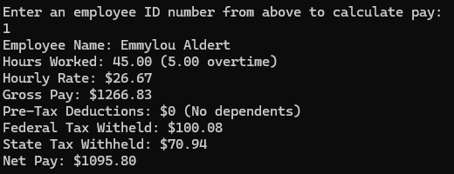
Tested Scenario | Intended Outcome? | Tested Values | Correction made | Retest Outcome
Main Menu
User inputs a non-integer | Yes: Error message is displayed and user is reprompted. | a, .5, -1 | n/a | n/a
User input is integer but not an option on the list. | Yes: Same as above. | 7 | n/a | n/a

Adding / Editing Record
Index selection for edit not an integer | No: Type error crash. | a, .5, -1 | Added try-except block | No crash
Employee ID not Unique | Yes: Input blocked and user reprompted. | 100001 |  | n/a
Employee ID Non Numeric | No: Error message doesn't specify that only numeric characters are permitted. | asdf, 1000010? | Changed both user prompt and error strings to state that only numeric characters are permitted. | Correct error message displays.
Employee First/Last name have non-alphabet characters or special characters | Yes: Input is blocked and user is reprompted if non-alpha characters are input. (Letters with diacritics are permitted and displayed correctly). | Dan9, Raul?, Señor | n/a | n/a
Pay Rate is Non Numeric | No: Type error crash. Expecting number, not string. | twenty | Added try-except block | No crash
Pay Rate is Negative | Yes: Out of range message is displayed and user is reprompted. | -20 | n/a | n/a
Dependents are Non Numeric | No: Type error crash. Expecting integer, not string. | two | Added try-except block | No crash
Dependents are Fractional | No: Type error crash. Expecting integer, not float. | 2.5 | Added try-except block | No crash
Dependents are Negative | No: Negative entry was permitted and recorded. | -2 | Added isnumeric() method | Negative entry blocked.
Hours Worked is Non Numeric | No: Type error crash. Expecting number, not string. | forty | Added try-except block | No crash
Hours Worked is Negative | Yes: Out of range message is displayed and user is reprompted. | -40.5 | n/a | n/a

Deleting Record
Index selection for deletion not an integer | No: Type error crash on string, negative, and float. Expecting integer. | a, -1, 1.5 | Added try-except block | No crash

Calculations
Employee ID user entry not in database | No. Program either crashes if no calculations were performed yet ("Hours worked is not defined") or displays the most recently calculated employee's instead: | a, 10001 | Added a validation loop block user entries that don't match current employee numbers. | Invalid ID error is displayed, and user is prompted until ID matches one in the list.

